Acquisition
Frame times and Centroiding Precision

Frame times and Centroiding Precision |  |  |  |  |  |  |  |  | > 10 msec | < FWC | < 30 mas
Star Mag | FS Filter | Bandpass | Flux, ph/m2/s | Filter Trans. | Transm | Ph/s/pix | elec. rate | t_fullwell, s | t_frame, s | e-/pix/frm | Centroid, mas
-1 | ND4 | 5% | 7.50E+09 | 1E-04 | 1.03E-06 | 5.72E+03 | 5.15E+03 | 0.2 | 0.1 | 515 | 0.96
0 | ND4 | 5% | 2.98E+09 | 1E-04 | 1.03E-06 | 2.28E+03 | 2.05E+03 | 0.5 | 0.1 | 205 | 1.52 | Item | Value | Units | Comments | Cog E
1 | ND4 | 5% | 1.19E+09 | 1E-04 | 1.03E-06 | 9.07E+02 | 8.16E+02 | 1.2 | 0.1 | 82 | 2.40 | Tel Prim D | 2.36 | m |  | Hong/Gary K
2 | ND4 | 5% | 4.73E+08 | 1E-04 | 1.03E-06 | 3.61E+02 | 3.25E+02 | 3.1 | 0.1 | 33 | 3.81 | Obsc | 41% |  |  | Hong/Gary K
3 | ND4 | 18% | 6.78E+08 | 1E-04 | 1.03E-06 | 5.18E+02 | 4.66E+02 | 2.1 | 0.1 | 47 | 3.18 | Area | 3.64 | m2 | Acol | Hong/Gary K
4 | ND4 | 18% | 2.70E+08 | 1E-04 | 1.03E-06 | 2.06E+02 | 1.85E+02 | 5.4 | 0.1 | 19 | 5.04 | lambda | 5.50E-07 | m
5 | ND4 | 18% | 1.07E+08 | 1E-04 | 1.03E-06 | 8.20E+01 | 7.38E+01 | 13.5 | 1 | 74 | 2.53 | Photon Energy | 3.6E-19 | J
6 | ND4 | 18% | 4.28E+07 | 1E-04 | 1.03E-06 | 3.27E+01 | 2.94E+01 | 34.0 | 1 | 29 | 4.00 | sampling | 2.5 | pix/lam/D
7 | ND4 | 18% | 1.70E+07 | 1E-04 | 1.03E-06 | 1.30E+01 | 1.17E+01 | 85.5 | 1 | 12 | 6.34 | mpix | 4.909 |  | pixels in core
8 | ND4 | 18% | 6.78E+06 | 1E-04 | 1.03E-06 | 5.18E+00 | 4.66E+00 | 214.7 | 1 | 5 | 10.05 | full well | 1000 |  | FWC | Leon Harding
9 | Open | 5% | 7.50E+05 | 1 | 1.03E-02 | 5.72E+03 | 5.15E+03 | 0.2 | 0.1 | 515 | 0.96 | planck constant | 6.63E-34 | Js
10 | Open | 5% | 2.98E+05 | 1 | 1.03E-02 | 2.28E+03 | 2.05E+03 | 0.5 | 0.1 | 205 | 1.52 | speed of light | 3.00E+08 | m/s
11 | Open | 5% | 1.19E+05 | 1 | 1.03E-02 | 9.07E+02 | 8.16E+02 | 1.2 | 0.1 | 82 | 2.40 | E0V | 3.92E-02 | W/(m2 * m)
12 | Open | 5% | 4.73E+04 | 1 | 1.03E-02 | 3.61E+02 | 3.25E+02 | 3.1 | 0.1 | 33 | 3.81 |  |  |  | Milan
13 | Open | 5% | 1.88E+04 | 1 | 1.03E-02 | 1.44E+02 | 1.29E+02 | 7.7 | 0.1 | 13 | 6.03 | Electron Conversion Efficiency |  |  | ND3 config | open config
14 | Open | 5% | 7.50E+03 | 1 | 1.03E-02 | 5.72E+01 | 5.15E+01 | 19.4 | 0.1 | 5 | 9.56
 |  |  |  |  |  |  |  |  |  |  |  | QE | 90%

 |  |  |  |  |  |  |  |  |  |  |  |  | HLC | SPC | PIAA
 |  |  |  |  |  |  |  |  |  |  |  | Optical Transm. | 53.0% | 39.0% | 53.0%
 |  |  |  |  |  |  |  |  |  |  |  | Polarizer | 47.0% | 100.0% | 58.0%
 |  |  |  |  |  |  |  |  |  |  | 9.66E+09 | Occ Transmission | 39.0% | 27.0% | 47.0% | 3 CG masks
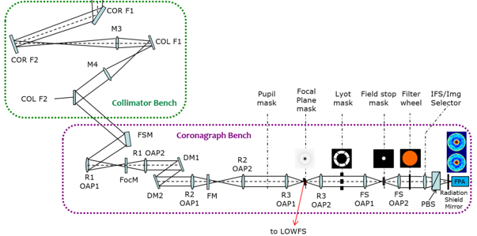
 |  |  |  |  |  |  |  |  |  |  |  | PSF encl. energy | 10.6% | 14.0% | 22.5% | within Core
 |  |  |  |  |  |  |  |  |  |  |  | Tot Thput to Core | 1.0% | 1.5% | 3.3%

Constants
Constants and Tables

 | 0 mag Photon Rates per spectral band (P. Lena and Joint Astronomy Centre Website)
 | Band | l (mm) | Dl (mm) | E0 W m-2 mm-1 | Phot sec-1 m-2 mm-1 | Phot sec-1 cm-2 nm-1 | Photons sec-1 m-2 | a =log10(E0)
 | U | 0.36 | 0.068 | 4.35E-08 | 7.88E+10 | 7.88E+03 | 5.36E+09 | -7.36
 | B | 0.44 | 0.098 | 7.20E-08 | 1.59E+11 | 1.59E+04 | 1.56E+10 | -7.14
 | V | 0.55 | 0.089 | 3.92E-08 | 1.09E+11 | 1.09E+04 | 9.66E+09 | -7.41
 | R | 0.70 | 0.220 | 1.76E-08 | 6.20E+10 | 6.20E+03 | 1.36E+10 | -7.75
 | VIS | 0.80 | 0.200 | 1.21E-08 | 4.87E+10 | 4.87E+03 | 9.75E+09 | -7.92
 | I | 0.90 | 0.240 | 8.30E-09 | 3.76E+10 | 3.76E+03 | 9.03E+09 | -8.08
 | Y | 1.05 | 0.200 | 5.72E-09 | 3.02E+10 | 3.02E+03 | 6.05E+09 | -8.24
 | J | 1.26 | 0.260 | 3.40E-09 | 2.16E+10 | 2.16E+03 | 5.61E+09 | -8.47
 | H | 1.64 | 0.330 | 1.18E-09 | 9.74E+09 | 9.74E+02 | 3.21E+09 | -8.93
 | K | 2.18 | 0.440 | 3.90E-10 | 4.28E+09 | 4.28E+02 | 1.88E+09 | -9.41
 | L | 3.40 | 0.550 | 7.30E-11 | 1.25E+09 | 1.25E+02 | 6.87E+08 | -10.14
 | M | 5.00 | 0.300 | 2.12E-11 | 5.34E+08 | 5.34E+01 | 1.60E+08 | -10.67
 | N | 10.20 | 5.000 | 1.23E-12 | 6.32E+07 | 6.32E+00 | 3.16E+08 | -11.91
 | Q | 21.00 | 8.000 | 6.80E-14 | 7.19E+06 | 7.19E-01 | 5.75E+07 | -13.17
 | "Observational Astrophysics", P. Lena, pp. 91
 | http://www.jach.hawaii.edu/UKIRT/astronomy/calib/phot_cal/conver.html

 | *Note: flux paramter a allows smooth interpolation of flux for arbitrary bands:
 | E0 = 10^a and E(mag) = 10^(a - 0.4*mag) in W/m2/um

 | lambda | mag | E(mag)
 | 0.55 | 0 | 9659679210.5

 |  |  |  |  |  |  |  |  | 1.05 | -8.2426039712
 |  |  |  |  |  |  |  |  | 1.26 | -8.468521083
 |  |  |  |  |  |  |  |  | 1.64 | -8.9281179927
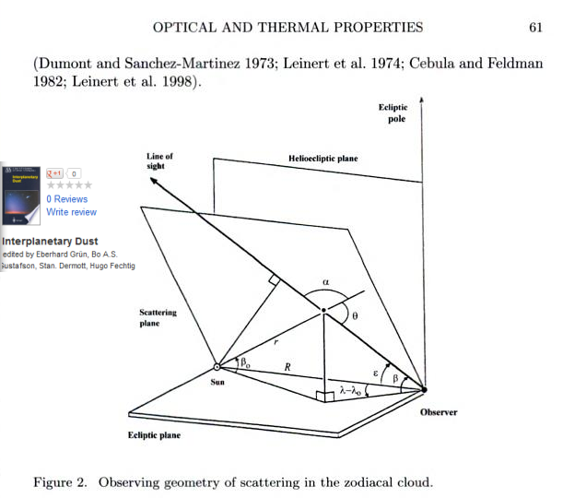
 |  |  |  |  |  |  |  |  | 2.18 | -9.408935393
 |  |  |  |  |  |  |  |  | 3.4 | -10.13667714
 |  |  |  |  |  |  |  |  | 5 | -10.673664139
 |  |  |  |  |  |  |  |  | 10.2 | -11.910094889
 |  |  |  |  |  |  |  |  | 21 | -13.167491087

